Sheet1
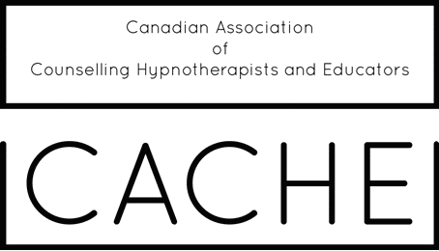
CACHE Continuing Education and Supervision Log
revised April 15, 2018

Name:

Yearly Log: |  |  |  | to
 | Day | Month | Year |  | Day | Month | Year

Acceptable Continuing Education | Courses |  |  |  | Acceptable Supervision | CACHE Supervision Masterminds
 | Videos
12 Hours required/year | Webinars |  |  |  | 12 Hours required/year
 | Workshops
*Note: At least 2 modes of study required | Self Study/Reading (20 pages/hour)
 | Book Clubs through Menal health organiations

Further requirements for Continuing Education and Supervision Hours can be found at www.cachecanada.com

Date | Type | # CE Hours | # Supervision Hours | Description

